RACI Chart Template
RACI Template
Instructions
1. Fill in the name of your HR project. 2. Enter the tasks of your project with a description of each task. 3. Enter the name and title of your stakeholders. 4. Define the roles of each of your stakeholders for each task of the project by selecting R, A, C, or I from the dropdown menu. You can find a definition of the four categories on the right. 5. Once completed, pay attention to individuals that take responsibility or accountability for too many different tasks. |  |  |  |  | 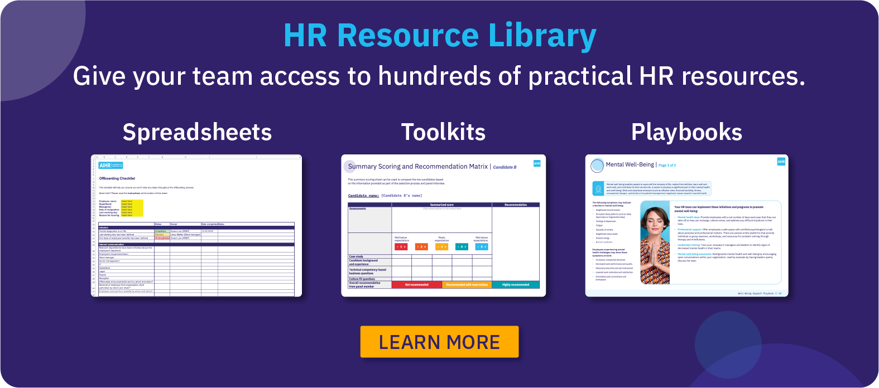

Project | [Insert project name]

Task / Stakeholders | Stakeholder 1: Name | Stakeholder 2: Name | Stakeholder 3: Name | Stakeholder 4: Name | Stakeholder 5: Name | Stakeholder 6: Name | Stakeholder 7: Name | Stakeholder 8: Name | RACI
Task 1: Insert task | R | A | C | I |  |  |  |  | R - Responsible The people who take action to get the task done. They are responsible for the work or making the decision. You can have more than one person responsible for a task, but to make the decision-making process effective, try having one person responsible for a single task. | A - Accountable The person who owns the task or deliverable. They might not get the work done themselves, but they are responsible for making sure it is finalized. To avoid confusion and the diffusion of responsibility, it’s better to have one accountable person per project task.
Task 2: Insert task
Task 3: Insert task
Task 4: Insert task |  |  |  |  |  |  |  |  | C - Consulted The person, role, or group who will help complete the task. They will have two-way communication with the people responsible for the task by providing input and feedback over the task completion. | I - Informed The people, roles, or groups that need to be up to date on the task’s progress. They will not have two-way communication, but it’s essential to keep them informed since they will be affected by the final outcome of the task/project.
Task 5: Insert task
Task 6: Insert task
Task 7: Insert task
Task 8: Insert task
Task 9: Insert task
Task 10: Insert task

Kanban Board
Kanban Board Template
Instructions
1. Fill in the name of your HR project. 2. In the "Backlog" column, create cards for all tasks that need to be done and assign the owner under "Who". 3. Use the color codes to indicate priority levels according to the color coding guide on the right. 4. Once a task is ready to start, move it from "Backlog" to the "To Do" column. Do this by clicking on the card, hovering over the card edge until the cursor with 4 arrows appears. 5. When work on a task has begun, move it to the "In Progress" column. This helps everyone see which tasks are actively being worked on. 6. Once a task is finished, move it to the "Done" column. This keeps a clear record of completed work. 7. Keep the board up-to-date by moving tasks as they progress from one stage to the next. This visual flow helps the team stay organized and provides an overview of project status at a glance.

Project | [Insert project name]

Task:
Who:
Task:
Who:
Task:
Who:
Task:
Who:
Task:
Who:
Task:
Who:
Task:
Who:
Task:
Who:
Backlog | To do | In progress | Done | Color codes
 |  |  |  | High Priority
 |  |  |  | Medium Priority
 |  |  |  | Low Priority

About AIHR
